Component.ts
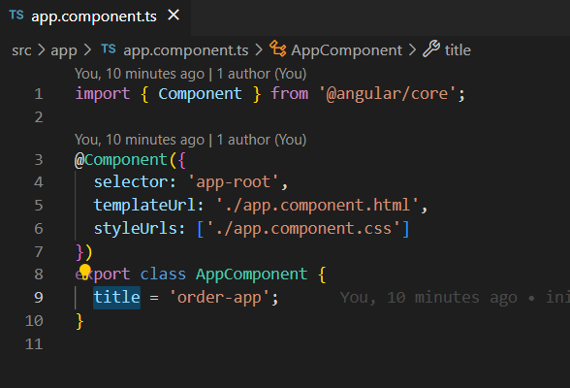
Default component.ts

module.ts
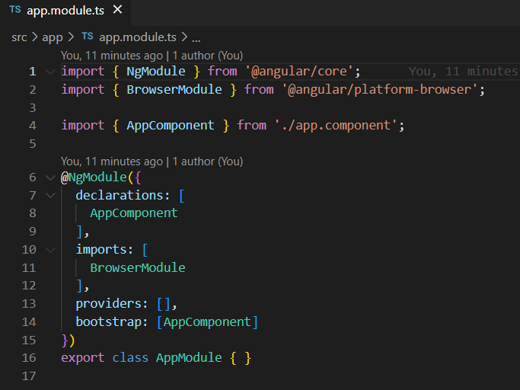
Defualt module.ts

selector type
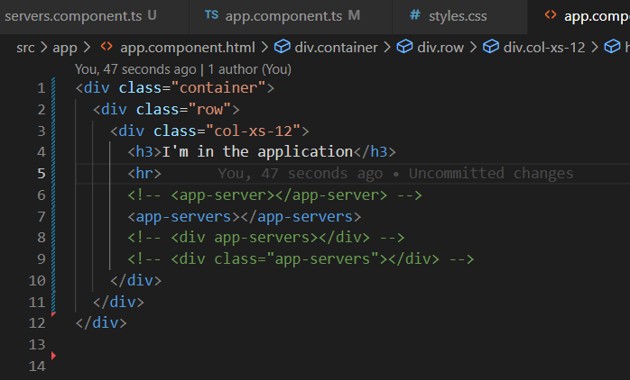

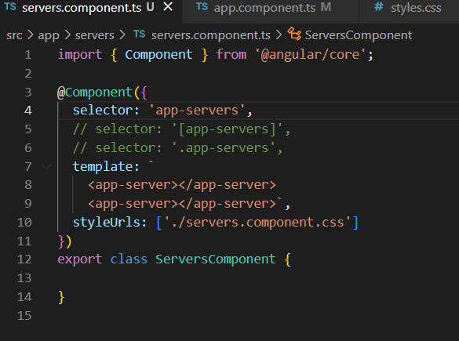

databinding
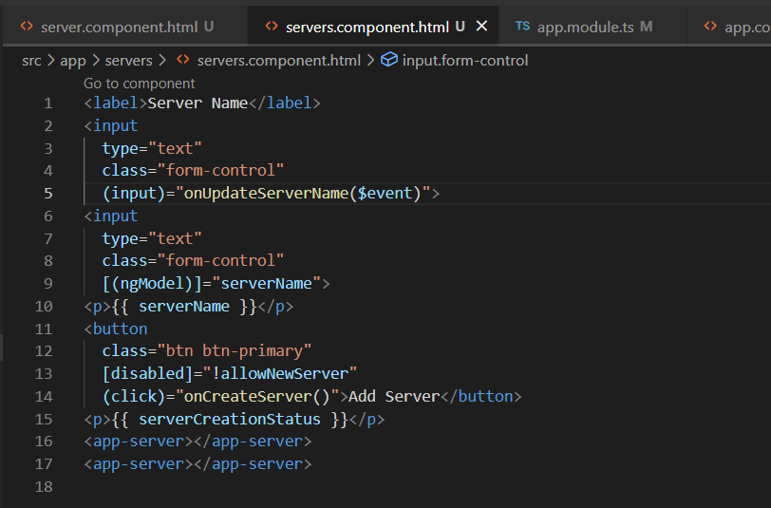
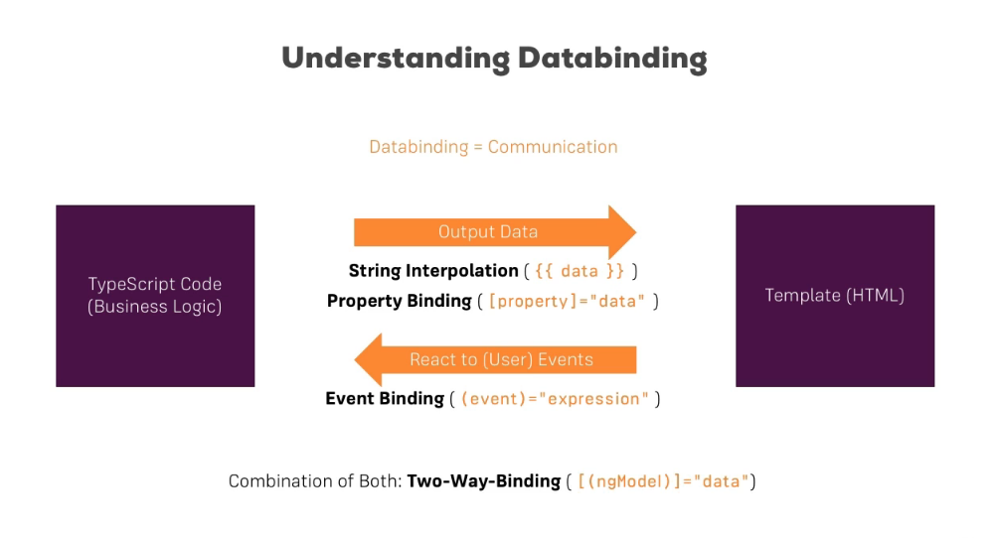

String interpolation
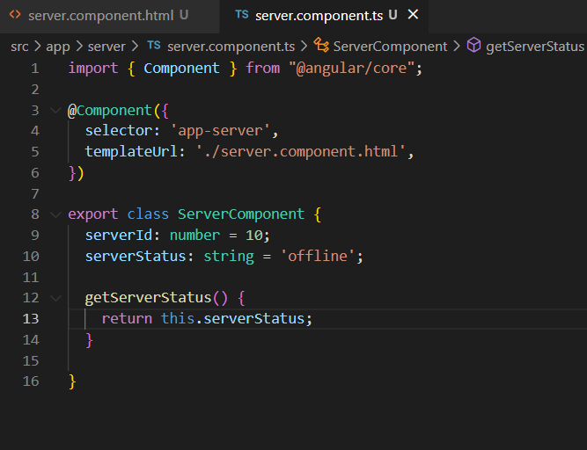

Propert binding | []

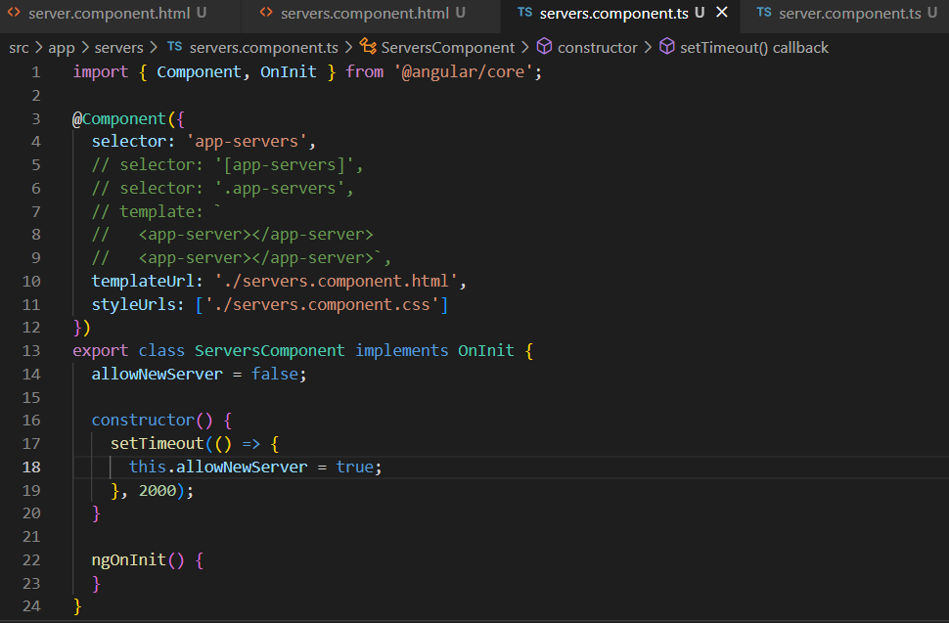
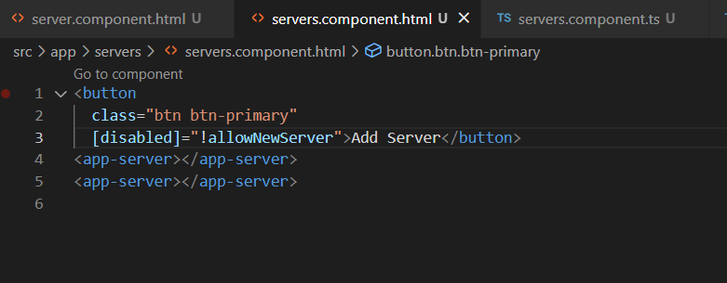

Event Binding | ()

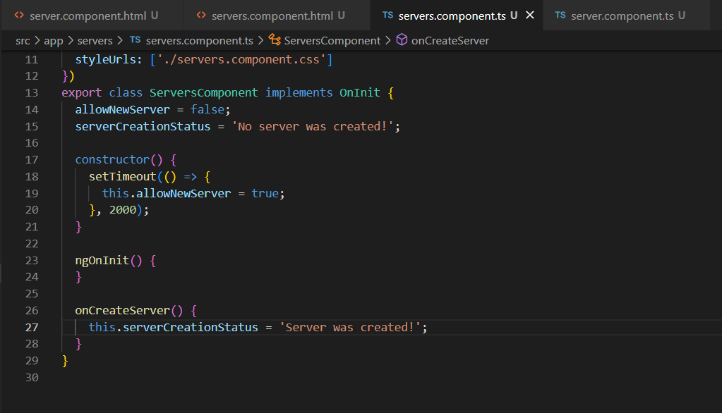
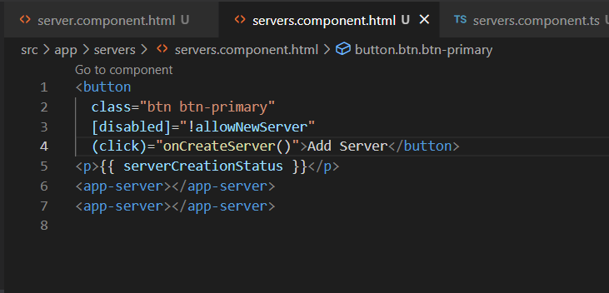

Passing and Using Data with Event Binding |  |  | $event

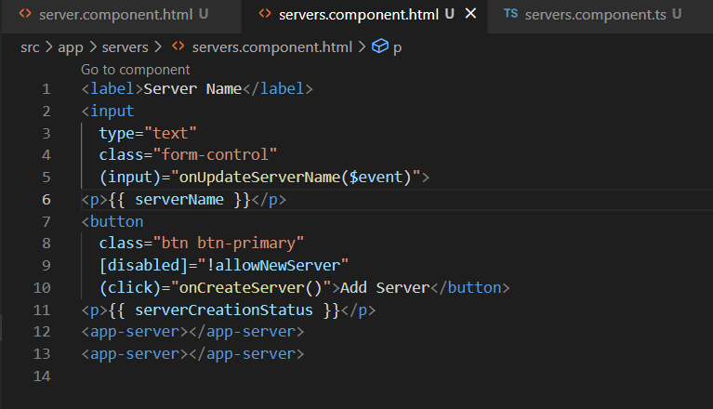
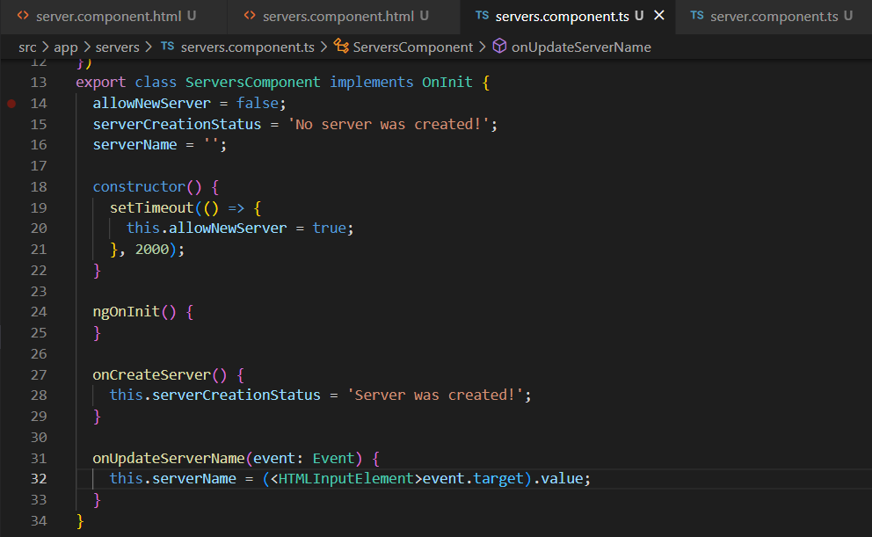

Two-Way-Databinding |  | [()]

Property & Event binding
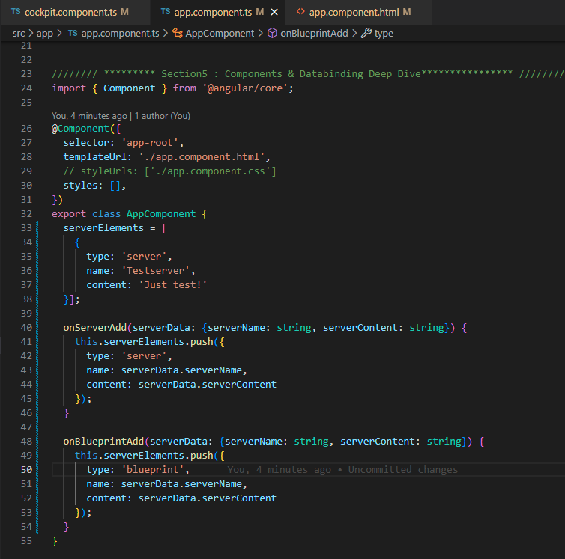
Binding to Custom properties

`@Input() parentheses
 | app.component -> server-element.component руу CUSTOM Property ашиглан дамжуулах
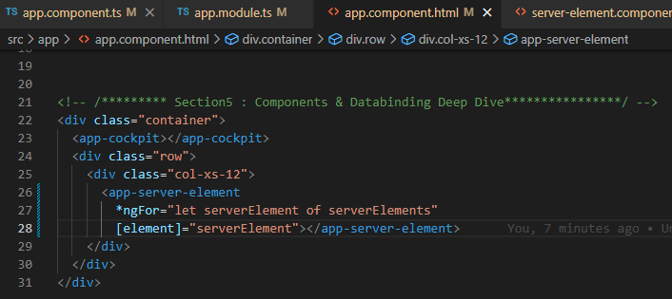
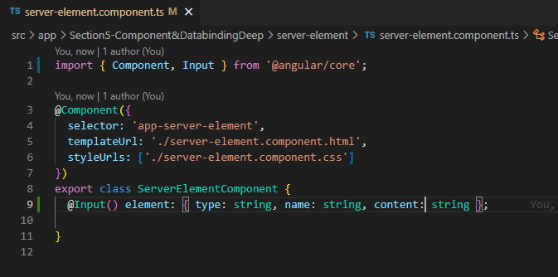

Custom property

 | Хэрвээ өөр property name ашиглах бол (assigning an alias to custom properties)
 |  | element -> srvElement болгох
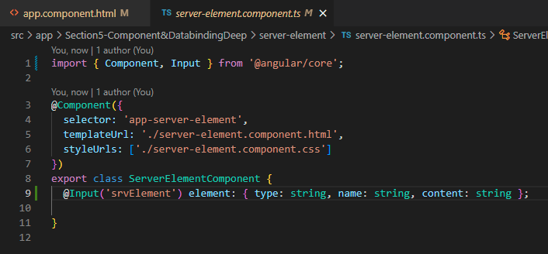
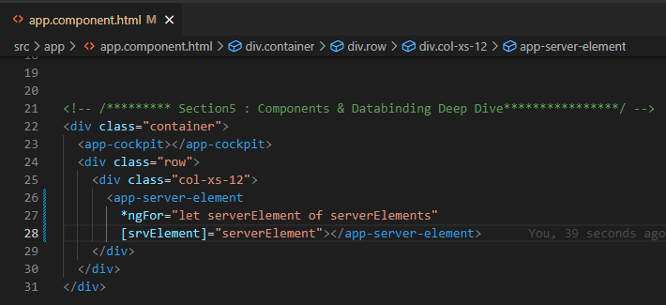

ADD

Binding to Custom Events

`@Output() & EventEmiter<{}>

 | cockpit.component -> app.component руу CUSTOM EVENT ашиглан дата дамжуулах
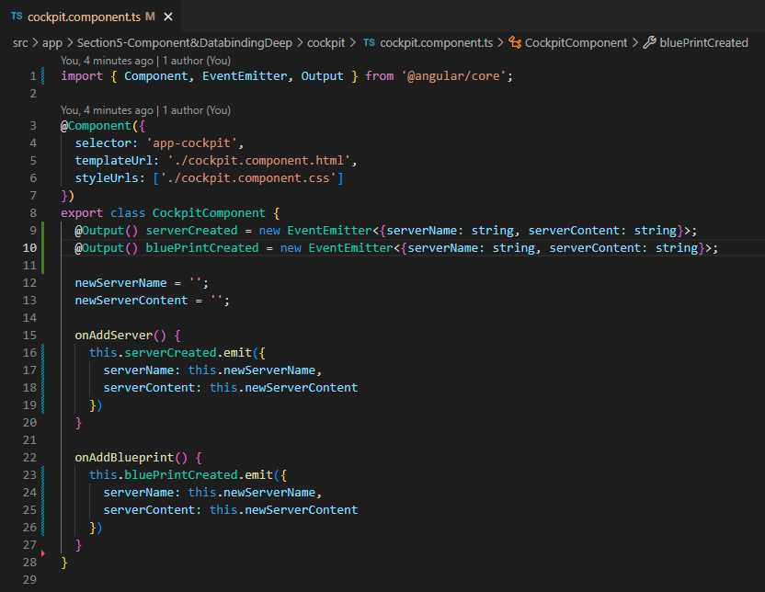
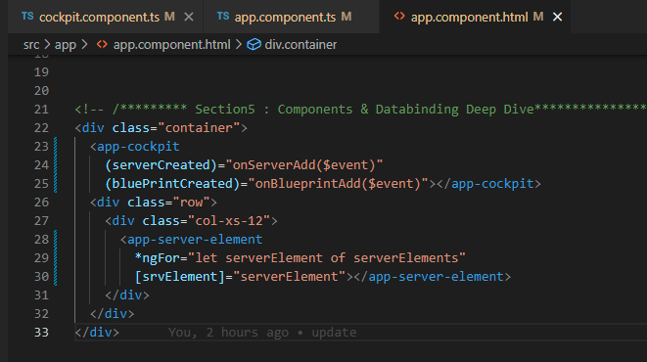

Custom Event

directives
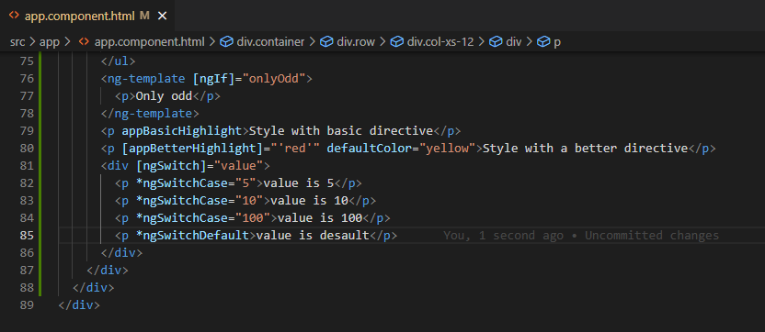
Using ngIf to Output Data Conditionally |  |  |  | *ngIf - Structure directive
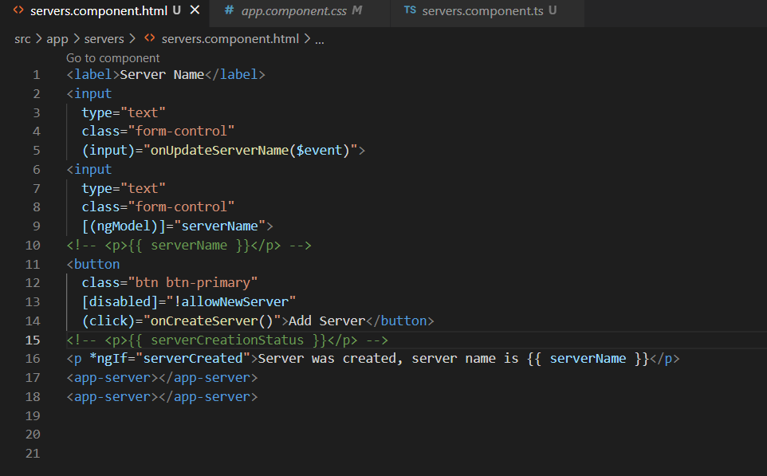

38.Enhancing ngIf witj an Else condition
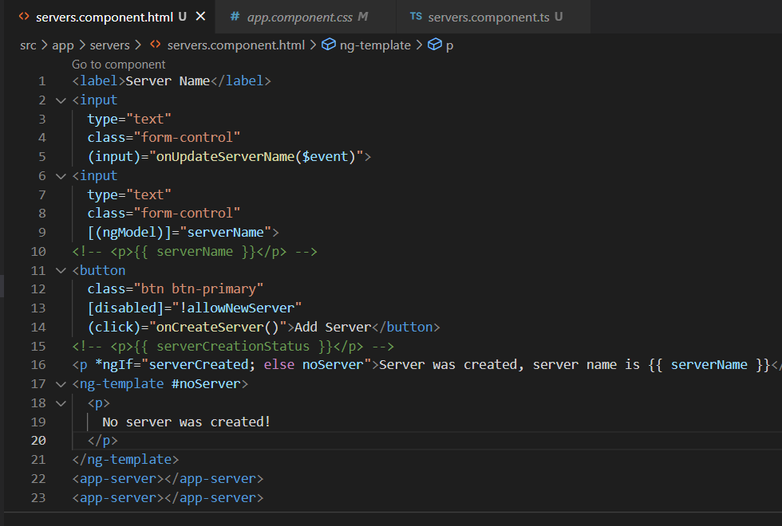

Styling Elements Dynamically with ngStyle |  |  |  | NgSTYLE - Attribute directive
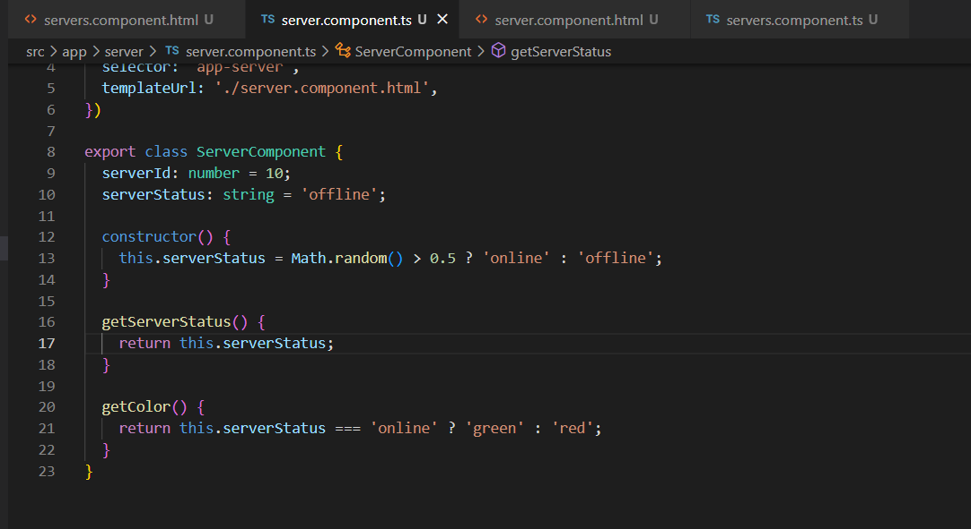

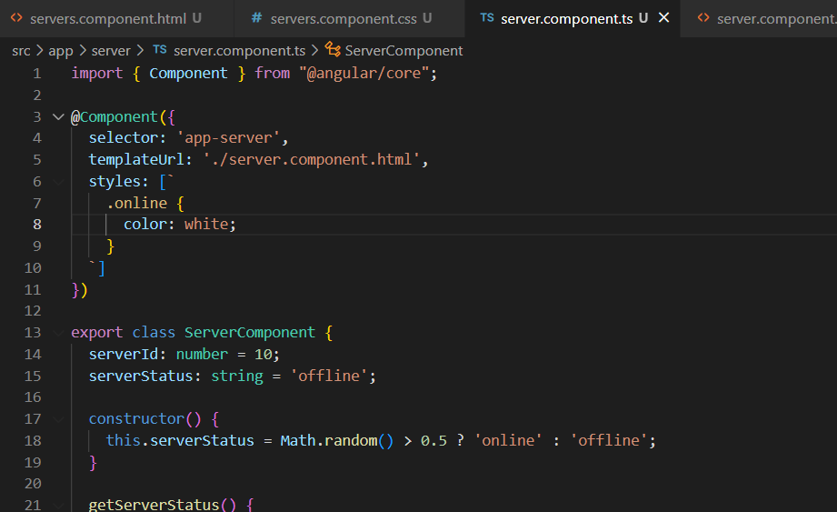
Applying CSS classes Dynamically with ngClass |  |  |  |  | NgClass

Getting the index when using ngFor
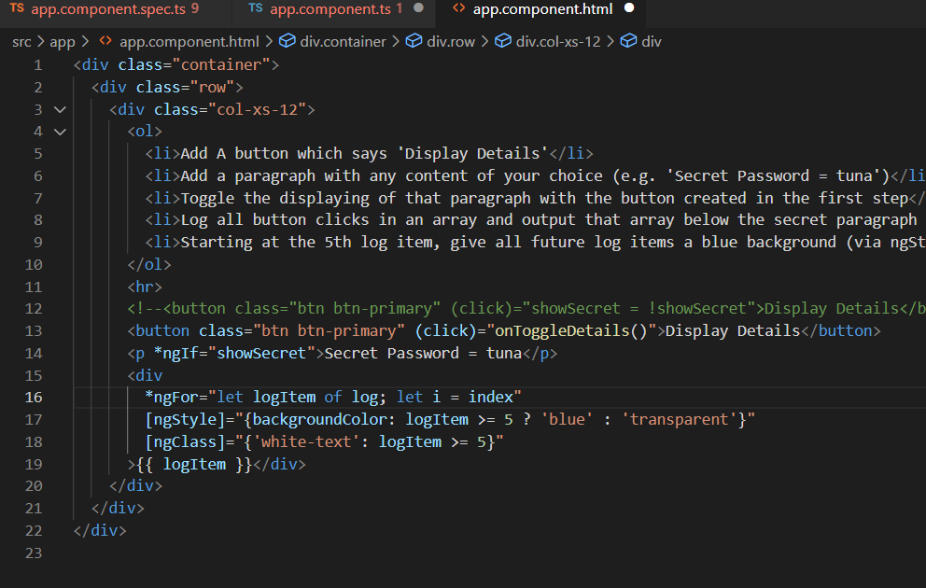

90.Module intoduction

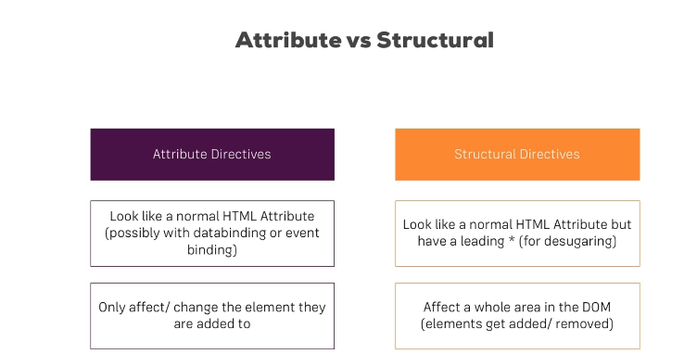

93. Creating a Basic Attribute Directive

 | ***.directice.ts файл үүсгэнэ.

 | app.module.ts файл руу оруулна. |  |  |  |  |  |  | ****.component.html файл даа ашиглана
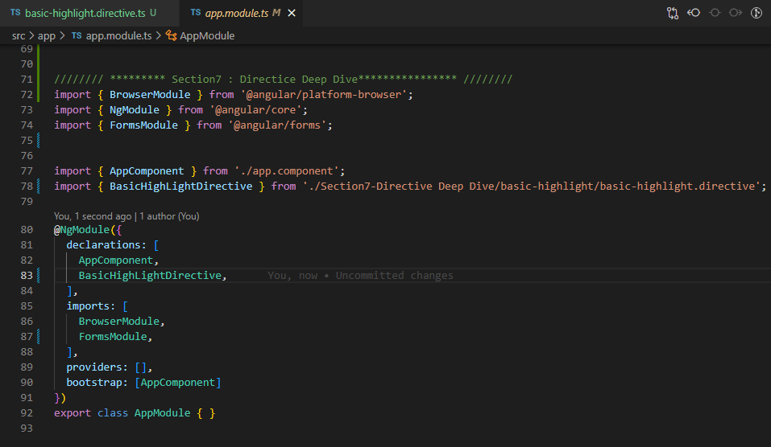
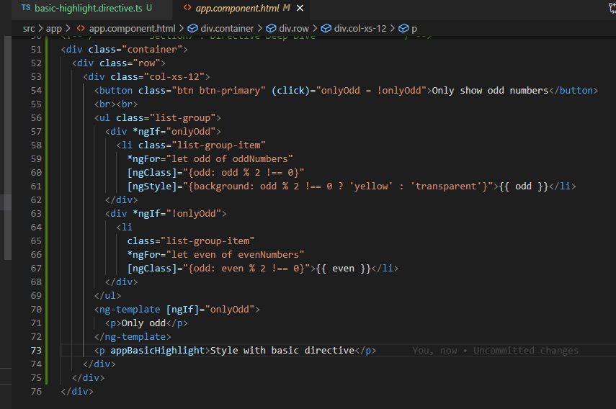

94. Using the Renderer to build a Better Attribute Directive

 | Шинэ directive үүсгэх комманд: |  | ng g d ***** |  |  | Renderer 2 линк | https://angular.io/api/core/Renderer2

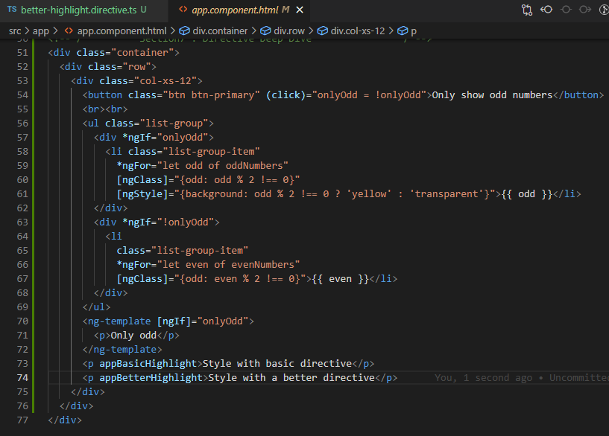
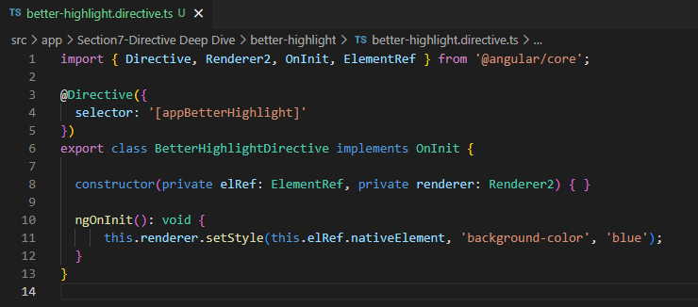

96. Using HostListener to Listen to Host Events

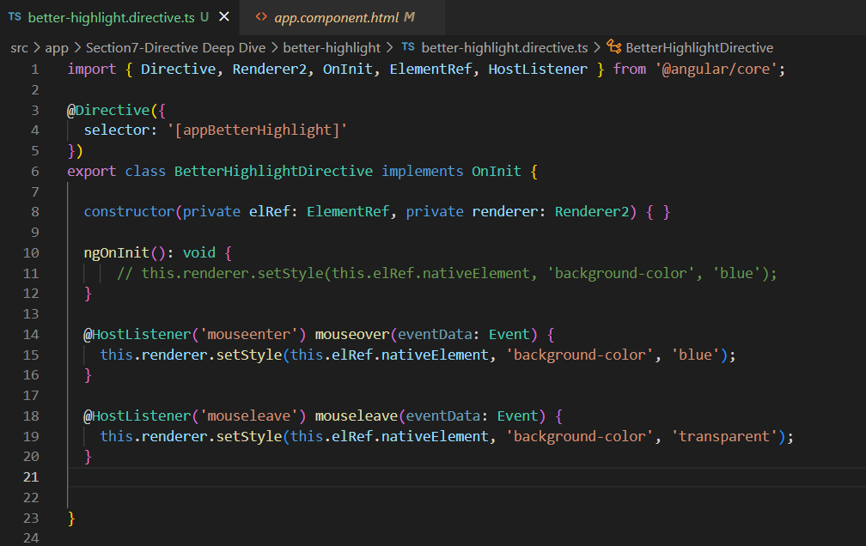

97. Using HostBinding to Bind to Host Properties

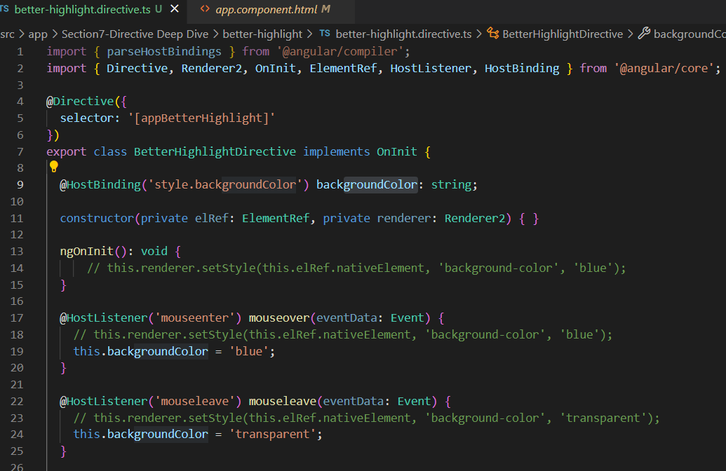

98. Binding to Directive Properties

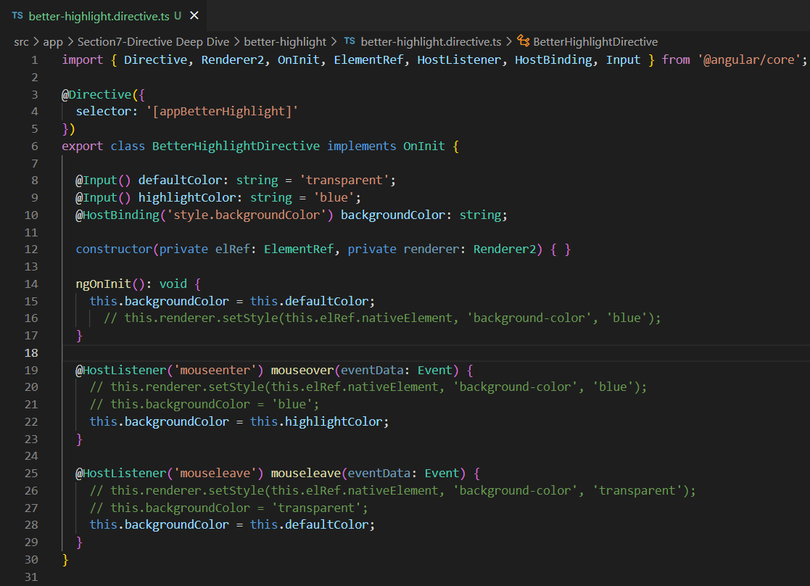
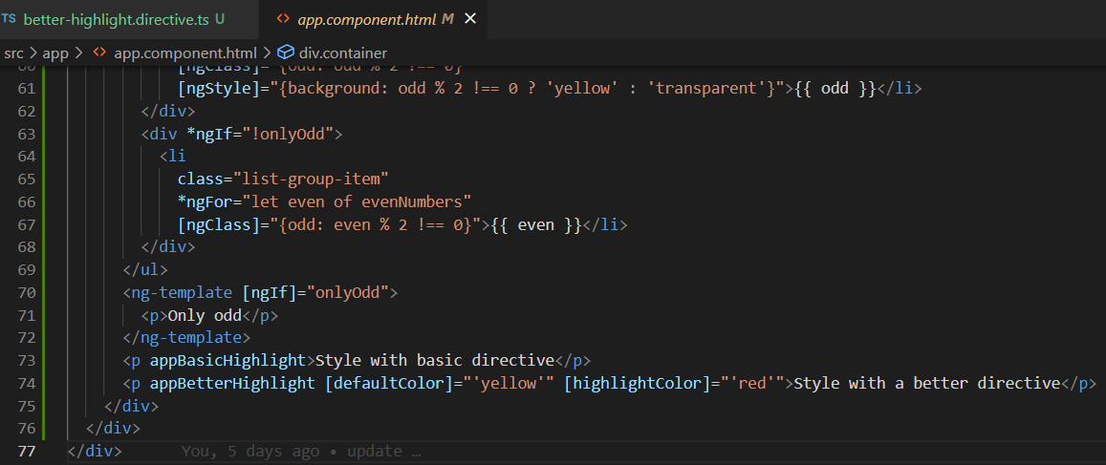

 | Бичиглэл сайжруулах
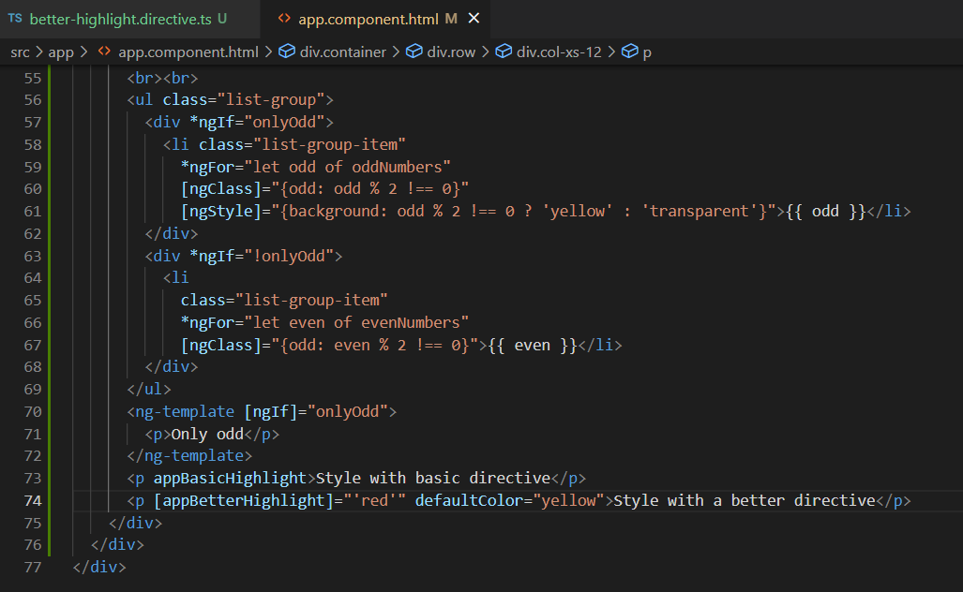
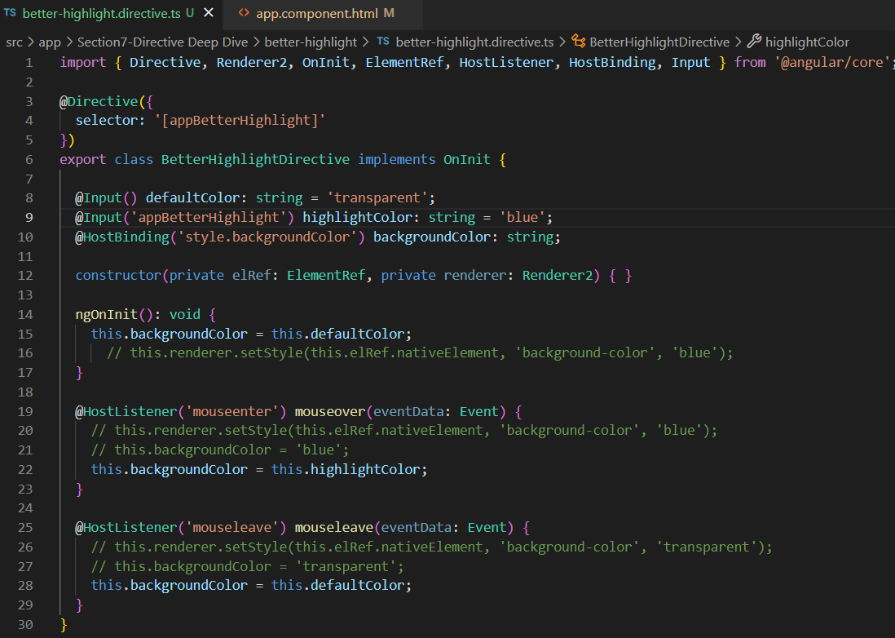

99. What Happens behind the Scenes on Structural Directives

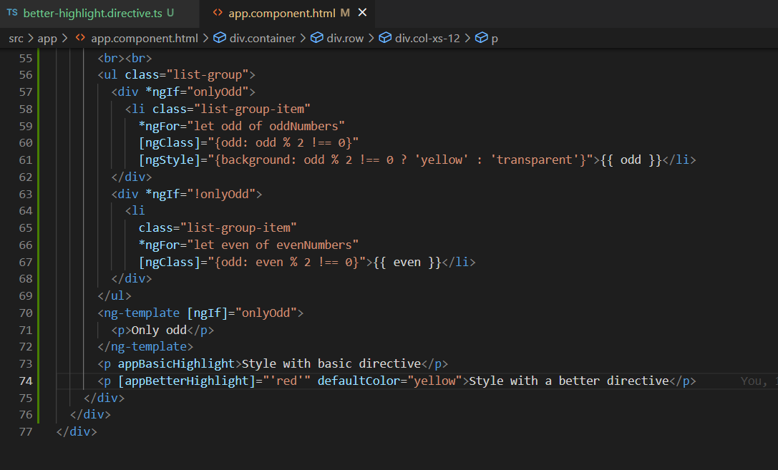

100. Building a Structural Directive
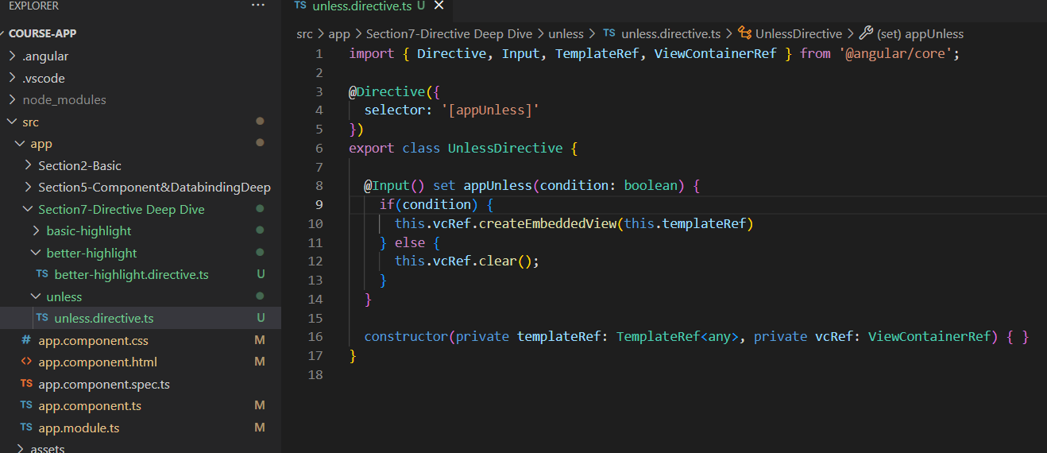

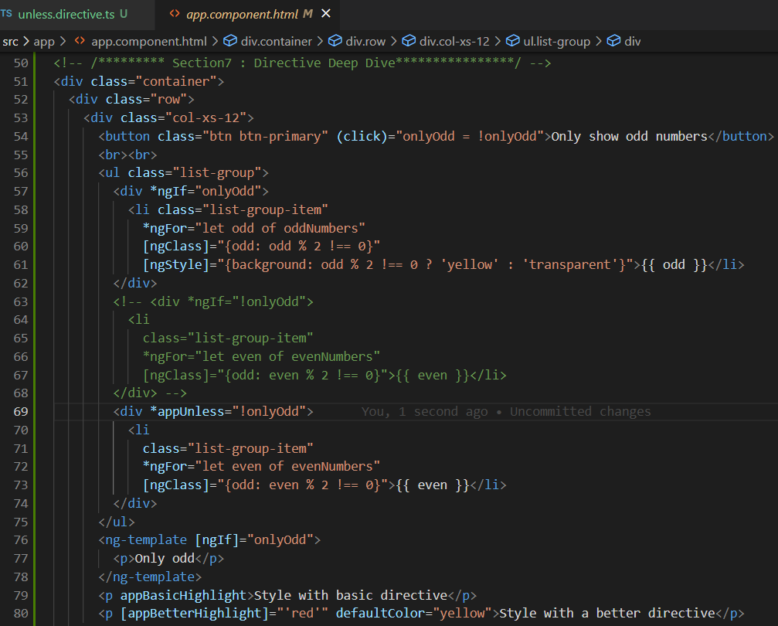

 | [ngSwitch]
 |  | *ngSwitchCase
 |  | *ngSwitchDefaukt

Decorator
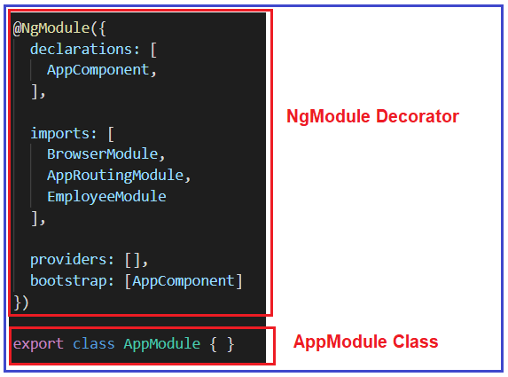

Encapsulation
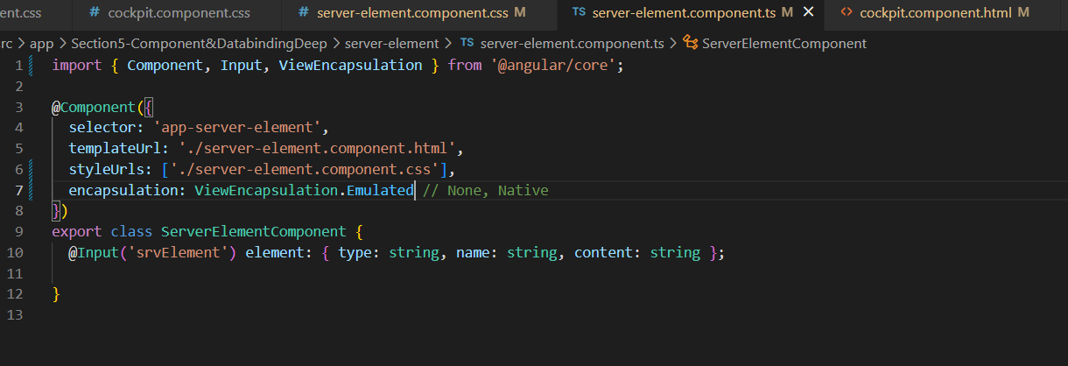
Encapsulation

Local reference in templete
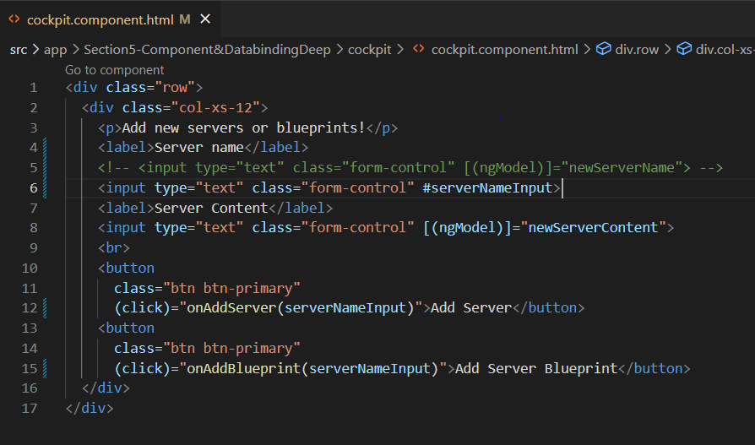
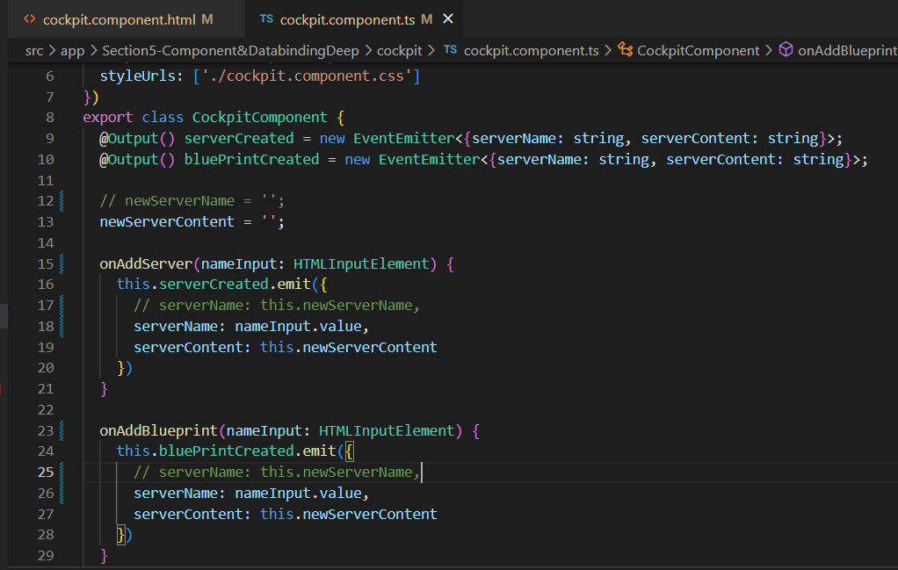
Using Local Reference in Template |  | #
 | Two way data binding ---> Local Reference

@ViewChild
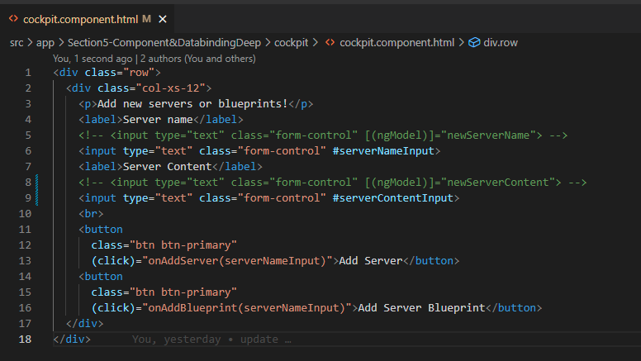
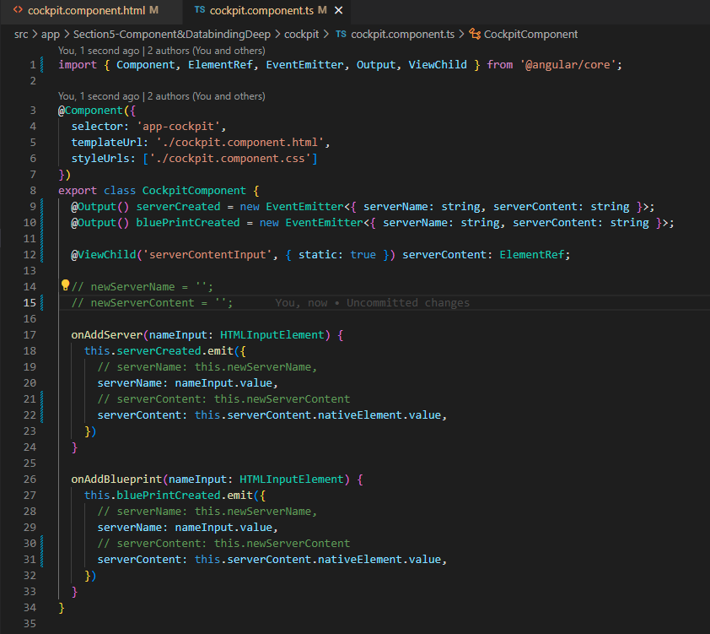
Getting Access to the Template & DOM with @ViewChild
 | `@ViewChild

ng-content
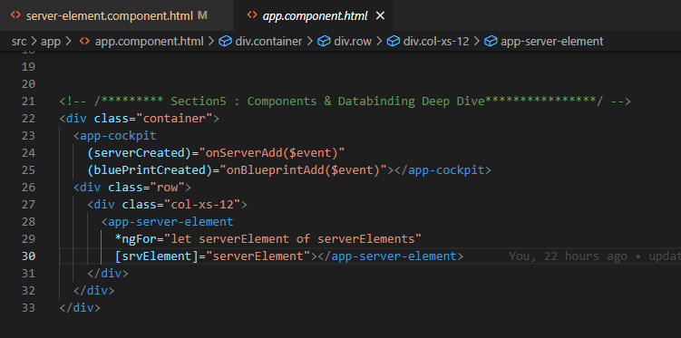
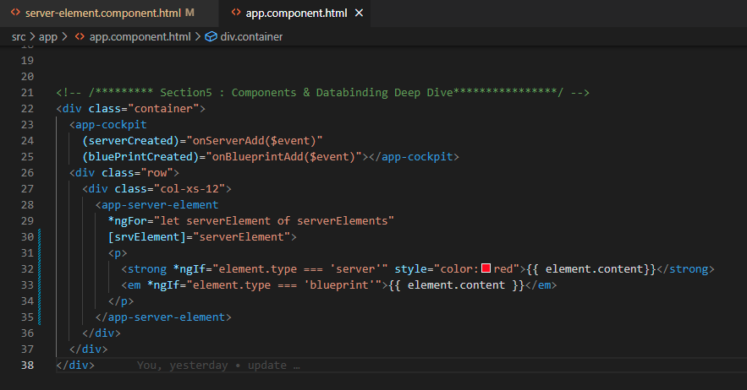
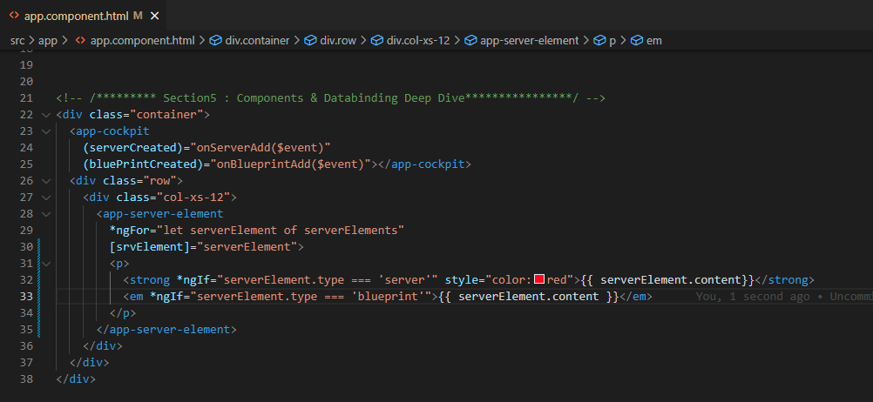
Protect content into Components with ng-content
 | <ng-content></ng-content>

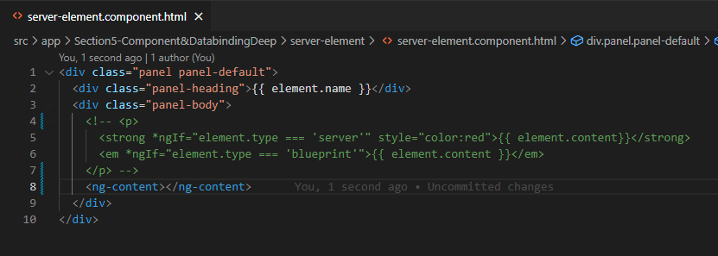

 | selector дээр бичсэн html-ийг <ng-content>-оор дамжуулан харуулах боломжтой.

lifecycle hook





LifeCycle Hooks and Template Access



Lifecycle Hooks and Template Access

@ContentChild


81. Getting Access to ng-content with @ContentChild

setInterval

setInterval(() => {},1000)

Service.ts
109. Injecting the Logging Service into Components
 | service.ts

 |  |  | Бүх component дээр providers бичих шаардлагагүй бөгөөд module.ts дээр бичвэл бүх child component ашиглах боломжтой болно.


111. Injecting Services into Services
 | `@Injectable(0 | Service дотор service дуудах үед энэхүү decorator-г ашиглана.



+

